Original
Sales Data Northeast Southeast Midwest Northwest 0 | 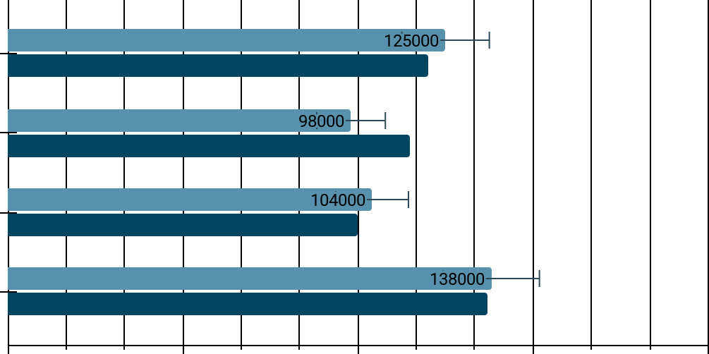 Quarter 1 Quarter 2 50000 100000 150000

Improve
 | 1 | 2
Midwest | 104000 | 100000
Norhtwest | 138000
Northeast | 125000 | 121000
Northwest |  | 136000
Southeast | 98000 | 118000
Sales Data | Quarter | Total Sales
Northeast | 1 | 125000
Northeast | 2 | 121000 | Sum of Total Sales | Column Labels
Southeast | 1 | 98000 | Row Labels | 1 | 2 | Grand Total
Southeast | 2 | 118000 | Midwest | 104000 | 100000 | 204000
Midwest | 1 | 104000 | Norhtwest | 138000 |  | 138000
Midwest | 2 | 100000 | Northeast | 125000 | 121000 | 246000
Norhtwest | 1 | 138000 | Northwest |  | 136000 | 136000
Northwest | 2 | 136000 | Southeast | 98000 | 118000 | 216000
 |  |  | Grand Total | 465000 | 475000 | 940000

